Sheet1
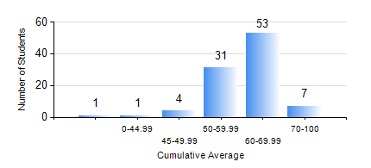
 |  |  | KWAME NKRUMAH UNIVERSITY OF SCIENCE AND TECHNOLOGY, KUMASI Department of Agricultural and Biosystems Engineering

 |  |  | BSC. AGRICULTURAL ENG.

 |  |  | COMPREHENSIVE RECORD OF EXAMINATION RESULTS

 |  |  | RESULTS OF YEAR 4 SECOND SEMESTER, 2022/2023 ACADEMIC YEAR

 | Sn | Course Code |  | Course Name | Credit Hours | Min. Mark | Max. Mark | Avg. Mark | Std. Dev. | No. Passed | No. Trailed | No. (Df) | No. (I) | No. (I*) | No. Tagged(I,I*,Df) | Total
 | 1. | AE 452 |  | SOIL AND WATER ENGINEERING II | 3 | 40 | 87 | 66 | 11.51 | 97 | 0 | 0 | 0 | 0 | 0 | 97
 | 2. | AE 458 |  | CROP LOSSES AND THEIR CONTROL | 2 | 41 | 78 | 67 | 7.65 | 97 | 0 | 0 | 0 | 0 | 0 | 97
 | 3. | AE 460 |  | MAINTENANCE AND REPAIRS OF AGRIC. MACHINERY | 2 | 28 | 91 | 75 | 11.05 | 96 | 1 | 0 | 0 | 0 | 0 | 97
 | 4. | AE 464 |  | CROP STORAGE AND STORAGE STRUCTURES | 3 | 40 | 84 | 62 | 9.88 | 97 | 0 | 0 | 0 | 0 | 0 | 97
 | 5. | AE 482 |  | FARM MACHINERY DESIGN | 2 | 2 | 85 | 64 | 13.83 | 95 | 2 | 0 | 0 | 0 | 0 | 97
 | 6. | AE 498 |  | PROJECT II | 5 | 54 | 91 | 78 | 7.09 | 95 | 0 | 2 | 0 | 0 | 2 | 97
 | 7. | ME 492 |  | MANAGEMENT AND ENTREPRENEURSHIP DEVELOPMENT | 2 | 16 | 74 | 56 | 9.33 | 93 | 4 | 0 | 0 | 0 | 0 | 97

